ReadMe
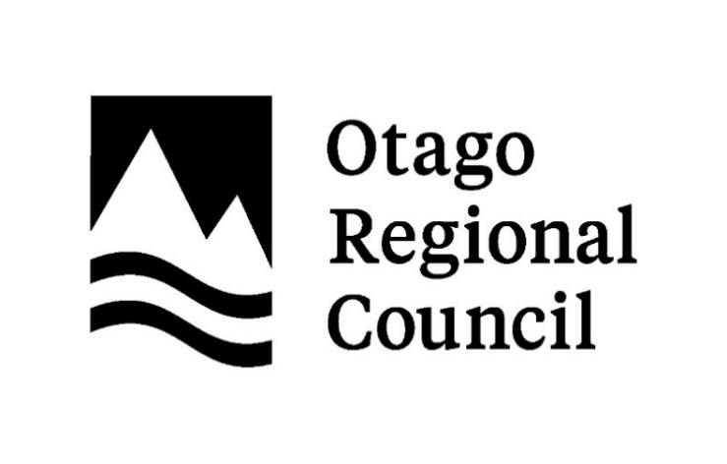

Title | Species list of native fleas in Otago
Author | Scott Jarvie (Otago Regional Council)
Reviewed | James Crofts-Bennett (University of Otago - Ōtākou Whakaihu Waka, Puketeraki)
Acknowledgements | Many thanks to all those who have contributed to observations, reports, publications, databases, and advice.
Publication year | February, 2026

Sheet name | Native fleas
 | This sheet lists the native fleas potentially found in Otago, with their known hosts, and national threat category and status (Heath et al. 2015., Conservation status of New Zealand fleas, 2014).

Copyright | © 2026 Otago Regional Council
Disclaimer | Otago Regional Council disclaims any liability whatsoever in connection with any action taken in reliance of this document for any error, deficiency, flaw, or omission contained in it.
 | This document has been prepared by staff at Otago Regional Council and external experts and does not constitute Council policy. As Otago Regional Council endeavours to improve data quality, amendments to data included in, or used in the preparation of, this report may occur without notice.
 | Any use of the data and information enclosed in this report, for example, by inclusion in a subsequent report or media release, should be accompanied by an acknowledgement of the source.
 | If you notice errors or omissions in the list, please report them to science.enquiries@orc.govt.nz

Creative Commons Attribution | This document is licenced for re-use under a Creative Commons Attribution 4.0 International licence.
 | In summary, you are free to copy, distribute and adapt the material, if you attribute it to the Otago Regional Council and abide by the other licence terms.

