ReadMe
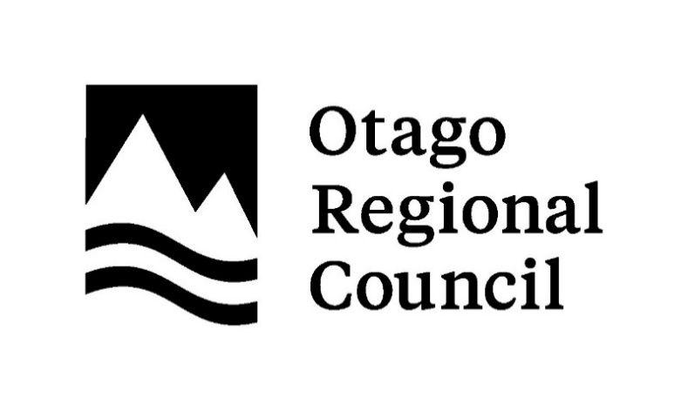

Title | Species list of freshwater fishes in Otago
Authors | Ciaran Campbell
 | Richard Allibone
 | Nicholas Dunn
 | Daniel Jack
 | Pete Ravenscroft
 | Scott Jarvie

Publication year | July, 2026

Sheet name | Species list
 | Species list of freshwater fishes in Otago
 | This report lists the freshwater fishes known to be currently present in the Otago Region.
 | This includes 33 extant native taxa, one extinct native taxon, seven extant introduced taxa, and one extant introduced taxon that is not established

Sheet name | Freshwater Management Unit
 | Presence of extant freshwater fish taxa in freshwater management units (FMU) in the Otago Region
 | The sheet indicates taxa in a freshwater management unit or rohe. P indicates a taxon was recently recorded (since 1940) to be present in a FMU or rohe, except for grass carp which was inferred from unpublished observations. See report for further details

Sheet name | Territorial Authority
 | Presence of extant freshwater fish taxa by territorial authority or Coastal Marine Area in the Otago Region
 | The sheet indicates taxa in a territorial authority or coastal marine area. P indicates a taxon was recently recorded (since 1940) to be present in a territorial authority or the CMA, except for grass carp which was inferred from unpublished observations; LP indicates a taxon has not been recorded present in the CMA but is inferred by life history. See report for further details

Sheet name | Regional Endemic - Stronghold
 | The Region was identified as a National Stronghold for eleven freshwater fish taxa. These species have > 20% of the national population in Otago. Nine of those species are regionally endemic, meaning they are native to the Region and do breed elsewhere.

Sheet name | Type localities
 | The number of taxa with type localities in the Otago Region was five.

Acknowledgements | We thank the many people who collect and document freshwater fish data, from structured- and semi-stuctured inventory and monitoring to observations submitted to participatory (citizen) science platforms. In particular, we acknowledge the use of public data drawn from the New Zealand Freshwater Fish Database and Wilderlab Explore. We also thank technical contributions from Phoenix Hale (Department of Conservation) and Jayde Couper (Fish and Game Otago).

Copyright | © 2026 Otago Regional Council
Disclaimer | Otago Regional Council disclaims any liability whatsoever in connection with any action taken in reliance of this document for any error, deficiency, flaw, or omission contained in it.
 | This document has been prepared by staff at Otago Regional Council and external experts and does not constitute Council policy. As Otago Regional Council endeavours to improve data quality, amendments to data included in, or used in the preparation of, this report may occur without notice.
 | Any use of the data and information enclosed in this report, for example, by inclusion in a subsequent report or media release, should be accompanied by an acknowledgement of the source.
 | If you notice errors or omissions in the list, please report them to science.enquiries@orc.govt.nz

Creative Commons Attribution | This document is licenced for re-use under a Creative Commons Attribution 4.0 International licence.
 | In summary, you are free to copy, distribute and adapt the material, if you attribute it to the Otago Regional Council and abide by the other licence terms.

